Summary

Base 2 Acquisition - Initial Assessment: |  | (click here for Questions)

Background Information |  |  |  | Ideal Target Profile Summary:

 |  |  |  |  | High % of revenues from contracted MRR
Target Company Names: |  | Website URL:
 |  |  |  |  | EBIDTA (adjusted) > 30% of total revenues
Primary Business Contact: |  | Primary Finance Contact:
 |  |  |  |  | Significant overlap in toolsets (Autotask, IT Glue etc)
Years in Business: |  | Employees (by locations):
 |  |  |  |  | In Auckland, can be absorbed in to current B2 premises
Reason for Selling:
 |  |  |  |  | OR, In the regions with a strategic reason for acquiring there
Primary Products / Services:
 |  |  |  |  | Client base diversified - not reliant on small number of customers
Main competitors:
 |  |  |  |  | Multiple years of (high quality) financial information available
Market reputation:
 |  |  |  |  | Good product / service fit, ideally with cross-sell opportunities

Current share ownership: |  | Current Directors: |  |  | Comes with some unique IP, or other compelling reason to acquire

D&B Credit rating assessment: |  | Premises: owned / leased & terms:

Financial Statements Provided: |  | Business Plans / Budgets Available:

Approx Annual Revenue Total: |  | Approx Annual EBITDA reported:

Approx Monthly Total Services Revenue: |  | Approx Annual EBITDA adjusted:

Approx Contracted Monthly Recurring Rev: |  | MRR as % of Total Services Revenue:

Indicative Purchase Price: |  | Indicative Purchase Date:

Comment on Financial Statements:
(comparison to B2, industry norms etc)

Other relevant information:
(including benefits to Base 2)

Total of Assessment Criteria
Financial: Max = 13 | Incomplete!! | (click here for Questions)
Products & Customers: Max = 10 | Incomplete!!
Other: Max = 12 | Incomplete!!
Total: Max = 35 | Incomplete!!

Next Steps / Recommendations:

Prepared by:

 |  |  | 3/20/19

Acquisition Scorecard
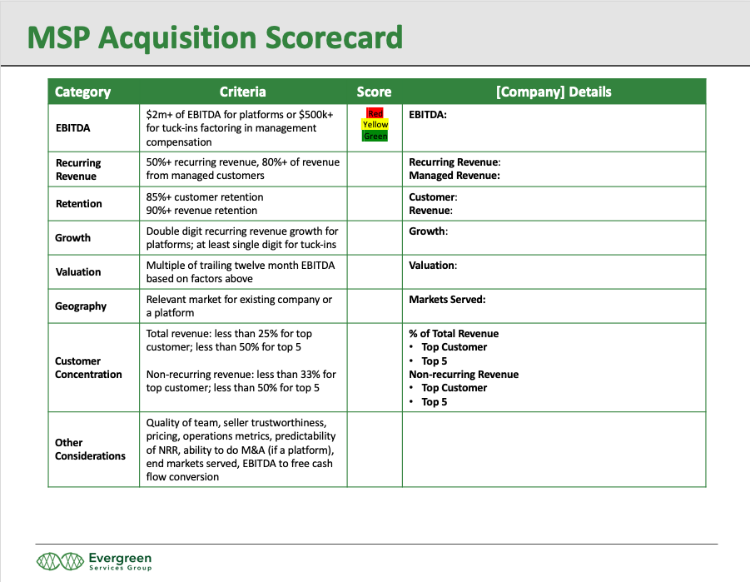
Evergreen MSP acquisition Scorecard

From: | https://www.evergreensg.com/msp-valuation-worksheet-8-variables-and-kpis-to-consider/

